Regression
 | Juice Shop

 |  |  |  |  |  | Y-axis sales revenue
co-eff from sheet 1 | 1.2004014948 | 1.7056722132 | 268.88125017 |  |  | x-axis: marketti+qc
 | Marketing expnditure | Expenditure on Quality Control | Sales revenue
 | 673 | 238 | 1487 | 1482.7014429 | =(D6*$D$4)+(E6*$E$4)+$F$4
 | 231 | 482 | 1129 | 1368.3080022
 | 593 | 223 | 1372 | 1361.0842401
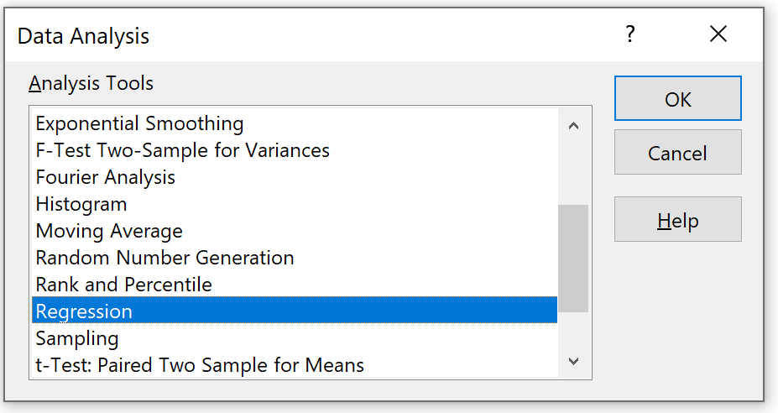
 | 521 | 121 | 900 | 1100.6767668
 | 245 | 829 | 2034 | 1976.9818811
 | 620 | 239 | 1732 | 1420.7858359
 | 111 | 455 | 1312 | 1178.2066731
 | 923 | 600 | 2323 | 2400.2551578
 | 500 | 1000 |  | 2574.7542108
 | 899 | 455 |  | 2124.123051
Next month
sales prediction

 |  |  |  |  |  | copy co-eff sheet and paste it above marketting expen, expend on QC, and Interceptor table

